Sheet1
Description | No of conv | conv channel 1 | conv channel 2 | no of dense | dense node | no of parameter | IoU | size (kb) | change in IoU | change in size | IoU/size
 | 2 | 16 | null | 1 | 62 | 197289 | 0.8966 | 2300 | 0 | 0 | 3.8982608696
Add 2 more conv, 1 maxpool | 4 | 16 | 32 | 1 | 62 | 66345 | 0.9073 | 638 | 0.0107 | -1662 | 14.221003135
halve dense layer nodes | 4 | 16 | 32 | 1 | 31 | 41359 | 0.905 | 539 | -0.0023 | -99 | 16.790352505
Reduce dense node to 5 | 4 | 16 | 32 | 1 | 5 | 20403 | 0.9058 | 293 | 0.0008 | -246 | 30.914675768
Remove 1 dense layer | 4 | 16 | 32 | 0 | null | 20373 | 0.8987 | 288 | -0.0071 | -5 | 31.204861111
added dense layer with 5 nodes, removed one conv layer (32ch) | 3 | 16 | 32 | 1 | 5 | 12915 | 0.9006 | 200 | 0.0019 | -88 | 45.03
Reduce channels of all conv by half | 3 | 8 | 16 | 1 | 5 | 4747 | 0.8945 | 103 | -0.0061 | -97 | 86.844660194
Add conv layer (16) | 4 | 8 | 16 | 1 | 5 | 6187 | 0.9031 | 126 | 0.0086 | 23 | 71.674603175
Halve all conv layer | 4 | 4 | 8 | 1 | 5 | 2103 | 0.8761 | 80 | -0.027 | -46 | 109.5125
Restore first 2 conv layers to 8ch, keep last 2 conv layer same (all 8ch) | 4 | 8 | 8 | 1 | 5 | 2867 | 0.8691 | 87 | -0.007 | 7 | 99.896551724
Halve first 2, double last 2 conv | 4 | 4 | 16 | 1 | 5 | 5135 | 0.8957 | 114 | 0.0266 | 27 | 78.570175439
add one more conv before pooling 1 | 5 | 8+16 | 16 | 1 | 5 | 7787 | 0.8938 | 152 | -0.0019 | 38 | 58.802631579

more conv layer better |  | Note: the file size include optimizer, not yet optimized so will be LARGER
at least 1 dense needed
2nd batch conv need more than 8 ch to be good
1st batch conv need 4 - 8 ch
adding more conv leads to overfit
2nd batch conv need >10

2020-01-03
Pick number 9, for best accuracy with decent small size | new dataset (2000 each folder) |  | IoU 0.8891
apparently tensorflow mcu no leakyrelu
try Prelu | Prelu result | 348kb | IoU 0.8837
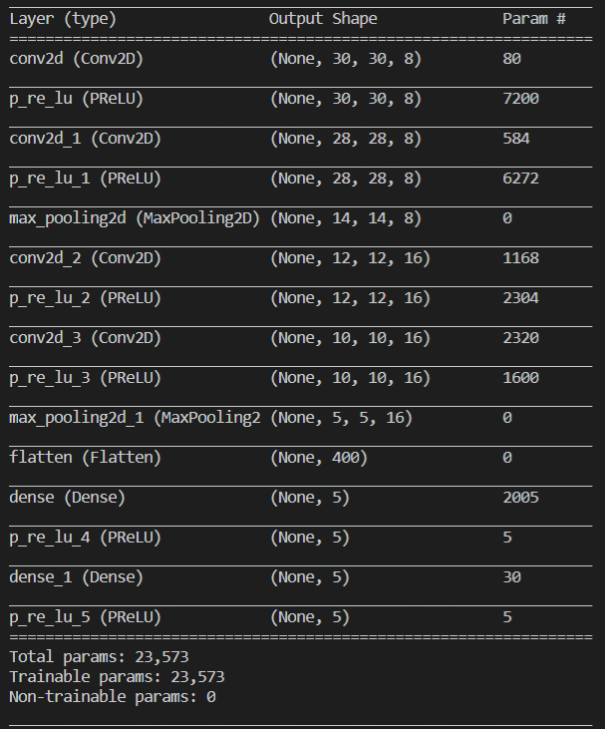

after convert to C array, result too large (need 247kb to store whole model)

attempt reduce model size further

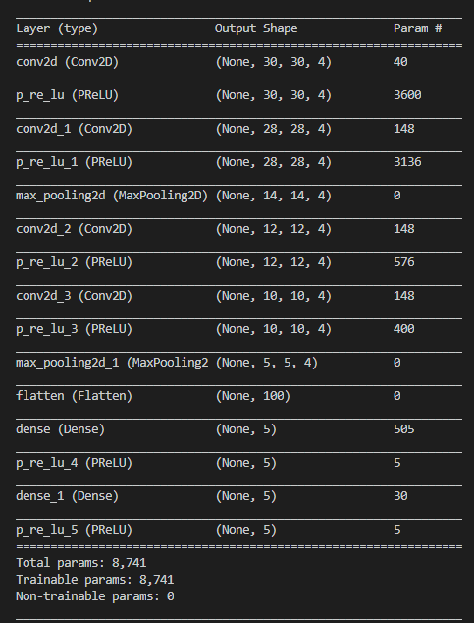

iou 0.8718

still too large, minimize more | issue is after conversion to c array took too much space
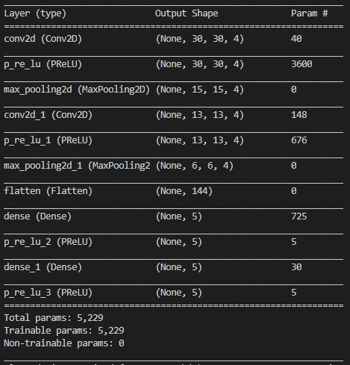

IoU 0.8545

Even more
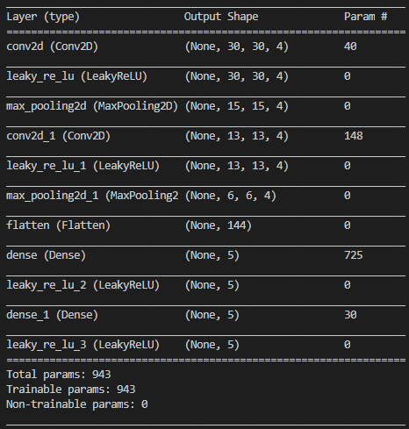

IoU 0.8495

in nodemcu
Sketch uses 307528 bytes (29%) of program storage space. Maximum is 1044464 bytes.
Global variables use 67412 bytes (82%) of dynamic memory, leaving 14508 bytes for local variables. Maximum is 81920 bytes.

in arduino (store image in ram)
Sketch uses 120424 bytes (12%) of program storage space. Maximum is 983040 bytes.
Global variables use 69128 bytes (26%) of dynamic memory, leaving 193016 bytes for local variables. Maximum is 262144 bytes.

